Modular calculator
Currency: | USD

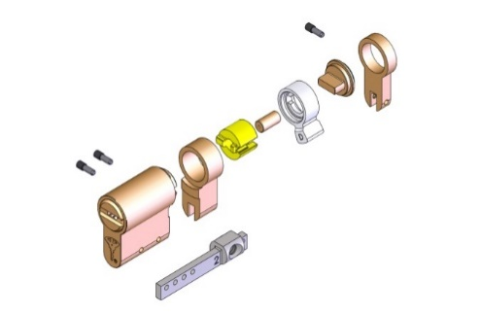
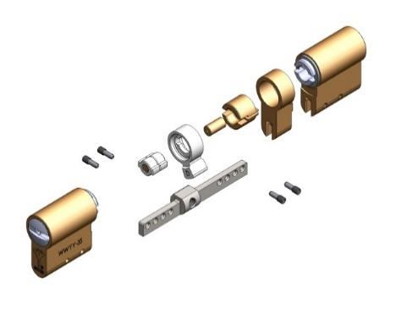
 | Double cylinder: | Size | Cat. No. | Size | Cat. No.
 | Length: | 120 |  | 120
 | Bar #: | 5 |  | 5
 |  | Bar no. 5.5 | 84401117
 | Body: | 75 |  | 75
 | Plug (NST): | 32.5 |  | 32.5
 | Body spacer: | 45 | 84400138 | 45 | 84400138
 | Plug spacer: | Ø5x42 | 88000065 | Ø5x42 | 88000065
 | Plug spacer 2: | Ø5x45 | 88000066 | Ø5x45 | 88000066
 | Plug adaptor: | Ø5x42 | 80002035 | Ø5x42 | 80002035
 | Plug adaptor 2: | Ø5x45 | 80002036 | Ø5x45 | 80002036
 | Threaded pin | Qty = 4 | 84400008

 |  |  |  | Choose length for each side (red numbers)
 | Single cylinder: | Size | Cat. No.
 | Length: | 119.5
 | Bar #: | Bar no. 4 | 84401124
 | Body: | 75
 | Plug (NST): | 32.5
 | Body spacer: | 35 | 84400138
 | Plug spacer: | Ø5x42 | 88000067
 | Plug spacer 2: | Ø5x40 | 88000064
 | Plug adaptor: | Ø5x42 | 80002036
 | Plug adaptor 2: | Ø5x40 | 80002034
 | Threaded pin | Qty = 3 | 84400008
 | Adaptor for single modular |  | 84400071

