Modular calculator
Choose length for each side (red numbers)

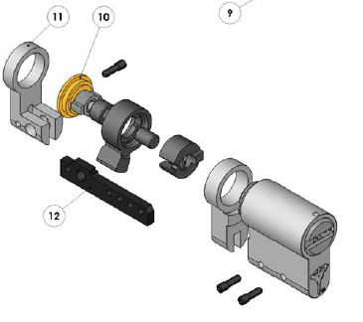
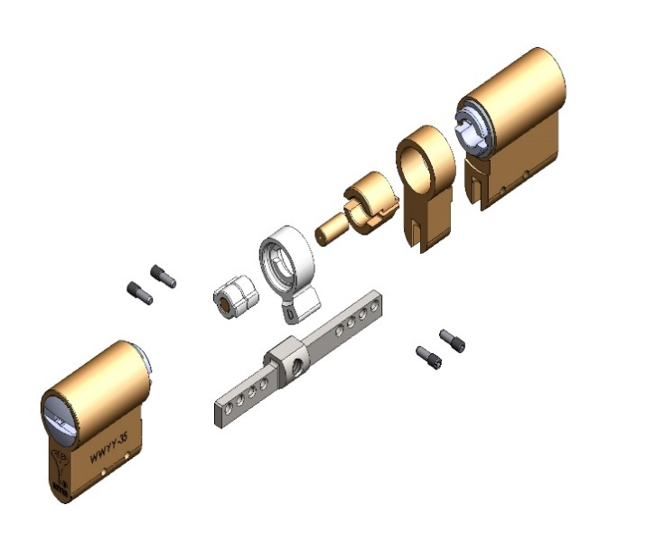
Double cylinder: | Size | Cat. No. | Size | Cat. No.
Length: | 40 |  | 38
Bar #: | 1 |  | 1
 | Bar no. 1.1 | 84401100
Body: | 35 |  | 33
Plug (NST): | 34.5 |  | 32.5
Body spacer: | 5 | 84400130 | 5 | 84400130
Plug spacer: | Ø5x7 | 88000051 | Ø5x5 | 80003763
Plug spacer 2: | 0 |  | 0
Plug adaptor: | Ø5x5 | 80003762 | Ø5x5 | 80003762
Plug adaptor 2: | 0 |  | 0
Threaded pin | Qty = 4 | 84400008

Single cylinder: | Size | Cat. No.
Length: | 49.5
Bar #: | Bar no. 1 | 84401121
Body: | 35
Plug (NST): | 34.5
Body spacer: | 5 | 84400130
Plug spacer: | Ø5x7 | 88000051
Plug adaptor: | Ø5x5 | 80003762
Threaded pin | Qty = 3 | 84400008
Adaptor for single modular |  | 51207080

